My Quilt v3.1
CatSplat's Differential Cut Underquilt Calculator V3.1 |  |  |  | To use this template, click File >- Make a Copy |  | Guides are just a guide, dont depend on them :)

Nov 2014 With mods from Tacblades |  | Mandatory Fields
Use of this template is your sole responsibilty. |  | Optional Fields |  | Useful Information Fields

Input |  |  |  | Output |  |  |  |  | Temperature Rating !! Just a Guide !!
 | Input Here | Read Only |  | Excluding Seam and channel allowances
 | Imperial | Metric |  |  |  |  |  |  | Down Density | 0.00150 | oz/in^3
Length of Quilt, inches (L) | 55 | 139.7 | cm | Inner Shell Fabric Dimensions | 55.0 | x | 42.0 | in | Average Loft | 2.75000 | in
Width of Quilt, inches (W) | 42 | 106.7 | cm | Inner Shell Fabric Width per Baffle (IWB) | 4.7 |  |  | in | Fill Power Correction Factor | 0.82353 | FP/850
Baffle Height, inches (Hb) | 2.5 | 6.4 | cm | Outer Shell Fabric Dimensions | 55.0 | x | 52.7 | in | Temperature Factor | 0.00340 | oz/in^2
Maximum Chamber Height, inches (Hc) | 3 | 7.6 | cm | Outer Shell Fabric Width per Baffle (OWB) | 5.3 |  |  | in | Temperature Rating | 10 | Deg F
Number of Baffle Chambers | 9 |  |  |  |  |  |  |  | Temperature Rating | -12 | Deg C
Down Fill Rating | 700 |  |  | Inner Shell Fabric Dimensions | 139.7 | x | 106.7 | cm
% Down Overstuff (or - for understuff) | 5% |  |  | Inner Shell Fabric Width per Baffle (IWB) | 11.9 |  |  | cm |  | Factor | Temp F | Temp C
Seam Allowance | 0.5 | 1.3 | cm | Outer Shell Fabric Dimensions | 139.7 | x | 133.9 | cm | UGQ Zeppelin 40 | 0.00181 | 40 | 4
Width of cord channel inches | 1 | 2.5 | cm | Outer Shell Fabric Width per Baffle (OWB) | 13.5 |  |  | cm | HG Incubator 40 | 0.00170 | 37.5 | 3
Shell Fabric Weight per yd2 | 1.68 | 57 | gsm |  |  |  |  |  | UGQ Zeppelin 20 | 0.00285 | 20 | -7
Baffle Material Weight per yd2 | 1.06 | 35.9 | gsm | Baffle Chamber Cross-sectional Area | 13.50 | in2 | 87.1 | cm2 | HG Incubator 20 | 0.00300 | 17.5 | -8
 | input here | and/or here |  |  |  |  |  |  | UGQ Zeppelin 0 | 0.00381 | 0 | -18
Cost Outer Fabric per yd |  | 3.50 | per m | Volume per Baffle Chamber | 742.46 | in3 | 12167 | cm3
Cost Inner Fabric per yd |  | 3.50 | per m | Oz. of down per chamber | 1.11 | oz | 32 | g | Fabric Calculator !! Just a Guide !!
Cost Baffle Fabric per yd |  | 2.50 | per m |  |  |  |  |  | Including Seam and Channel Allowances | Length |  | Width |  | Cost
Cost of Down per 100g |  | 14.00 |  | Total Chamber Volume | 6,682 | in3 | 109500 | cm3 | Inner Shell Fabric | 61 | x | 48 | in
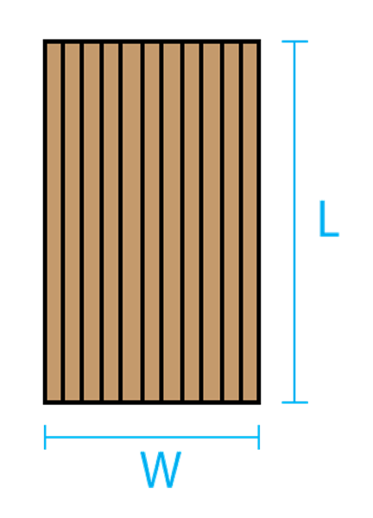
 |  |  |  | Total Oz. of down | 10.02 | oz | 284 | g | Outer Shell Fabric | 56 | x | 54 | in
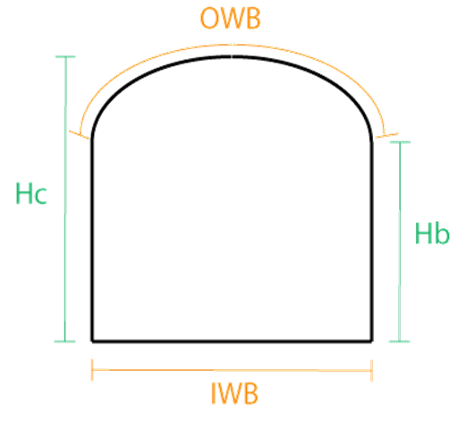
 |  |  |  |  |  |  |  |  | Total Shell fabric | 3.39 | x | 1.55 | yrd | 0.00
Quilt Dimension Overview | Baffle Cross-section Detail |  |  | Approx. Weight of Quilt, including suspension | 19.07 | oz | 541 | g | Each Baffle Size | 56 |  | 3.5 | in
 |  |  |  |  |  |  |  |  | Baffle Fabric | 1.56 | x | 1.06 | yrd | 0.00

 |  |  |  | Conversion Quick Calculator | Input |  | Output |  | Inner Shell Fabric | 155 | x | 122 | cm
 |  |  |  | Lengh in inches | 1 | in | 2.5 | cm | Outer Shell Fabric | 142 | x | 136 | cm
 |  |  |  | Length in cm | 1 | cm | 0.4 | in | Total Shell fabric | 3.10 | x | 1.41 | m | 10.84
 |  |  |  | Area Square Yards | 1 | yd2 | 33.9 | gsm | Each Baffle Size | 142 | x | 8.9 | cm
 |  |  |  | Area Grams per square Meter | 100 | gsm | 2.95 | yd2 | Baffle Fabric | 1.42 | x | 96.52 | m | 3.55
 |  |  |  | Weight oz | 3 | oz | 85 | g | Total Down rounded up | 11 | oz | 300 | g | 42.00
 |  |  |  | Weight g | 1 | g | 0.04 | oz
 |  |  |  |  |  |  |  |  |  |  | Metric Total Cost |  |  | 56.39
 |  |  |  |  |  |  |  |  |  |  | Imperial Total Cost
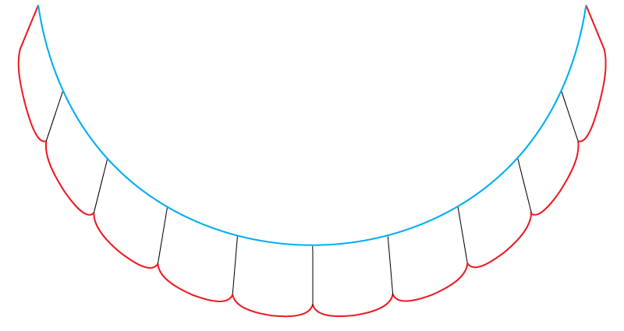
 |  |  |  | This diagram illustrates the cross-sectional view of a sample underquilt. The red section shows the fabric that is defined by the "Outer Shell Fabric Dimensions" value. The blue section shows the fabric that is defined by the "Inner Shell Fabric Dimensions" value. The thin black lines represent the baffles. When hung, the Inner shell faces the hammock, while the Outer shell will face away from the hammock. Suspension channels (or loops for the shock cord) would be attached along the edges where the Outer shell meets the Inner shell. When hung, the UQ cross-section will look similar to this:

